
 |  |  |  | CODE: |  |  | pl1045 ab SN from 98D85
DESCRIPTION: |  | WHEEL |  | RÄDCHEN | ROUE | RUEDA | RUOTA
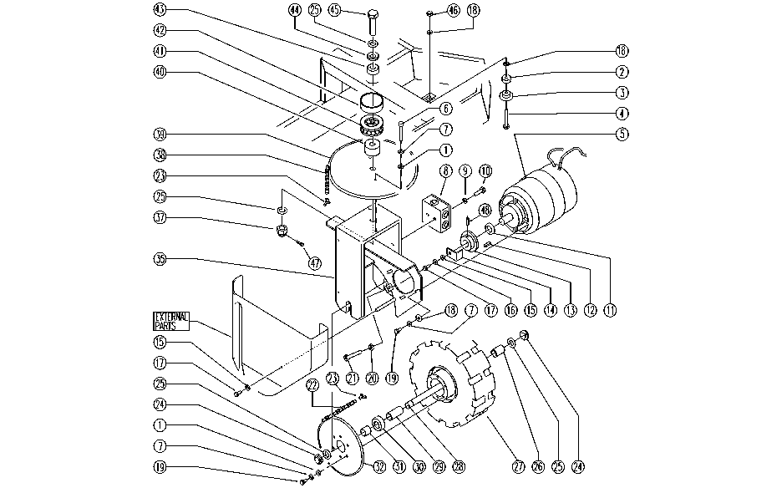

REF. | CODE | DESCRIPTION | QT
1 | E86726 | WASHER | 14
2 | E86356 | SPACER | 1
3 | E86357 | CHAIN TIGHTENER | 1
4 | E86486 | SCREW | 1
5 | SL02112 | GEARMOTOR | 1
6 | SL04192 | SCREW | 2
7 | E86702 | WASHER | 12
8 | SL23468 | ELECT. HOUSING | 1
9 | E86797 | WASHER | 2
10 | E86336 | SCREW | 2
11 | SL06066 | WASHER | 1
12 | SL11110 | TONGUE | 1
13 | E86972 | PINION | 1
14 | SL09706 | PLATE | 1
15 | E86707 | WASHER | 4
16 | E86700 | WASHER | 1
17 | E86366 | SCREW | 3
18 | E86979 | WASHER | 5
19 | SL04023 | SCREW | 10
20 | E86703 | NUT | 1
21 | E86870 | SCREW | 1
22 | E86986 | CHAIN | 1
23 | E86987 | GRID | 2
24 | E86854 | NUT | 2
25 | E86855 | WASHER | 4
26 | E86856 | SPACER | 1
27 | E86984 | WHEEL | 1
28 | E86857 | PIN | 1
29 | E86858 | SPACER | 1
30 | E86817 | BEARING | 1
31 | E86859 | SPACER | 1
32 | E86991 | CROWN | 1
35 | SL09687 | FORK | 1
37 | SL05079 | NUT | 1
38 | E87809 | CHAIN | 1
39 | SL10034 | CROWN | 1
40 | SL07096 | SPACER | 1
41 | SL12014 | BEARING | 1
42 | SL03461 | GUARD | 1
43 | E86814 | BEARING | 1
44 | SL12021 | RING | 1
45 | SL07450 | SCREW | 1
46 | E86853 | NUT | 1
47 | SL11121 | SPLIT PIN | 1
48 | SL11048 | SPLIT PIN | 1
- | SL07258 | MOTOR DRUM | 1

